RF Move Expiry
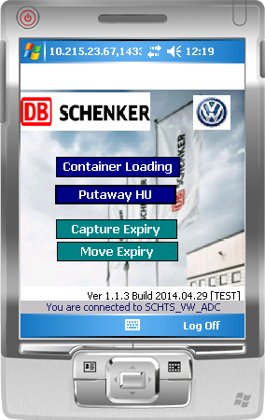
RF - Move Expiry
Function | to Perform location movement of Expiry Items, by SKU and Location

Seacrh: | Optional by SKU and (or) by Location

 | Search BY SKU
1 | Scan SKU or Location
2 | Tap [Search] | A: Search by SKU | B: Search by Location
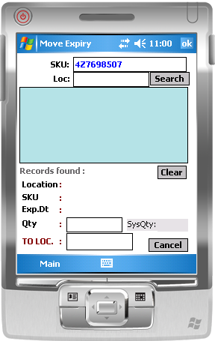
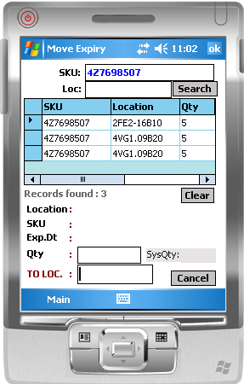
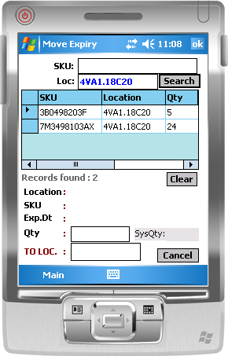

3 | double click on selected row
 | 1st row selected

4 | Scan [To Location]
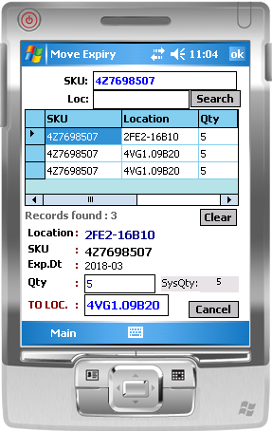

Expiry Search :
By SKU OR Location

Double click to select a record to move

Scan To Location

